Sheet1
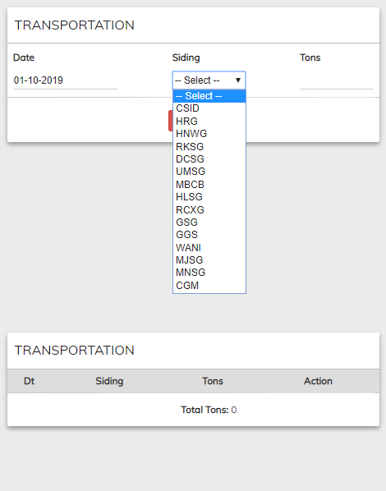
TRANSPORTATION

Date | 02.10.2019 | (To be entered once)

Siding | Transportation
CSID
HRG
HNWG
RKSG
DCSG
UMSG
MBCB
HLSG
RCXG
GSG
GGS
WANI
MJSG
MNSG
CGM

Total

 | Save

